Response Variables
a11 | a12 | a13 | a14 |  | pg. 586
a21 | a22 | a23 | a24 |  |  |  |  |  |  |  |  |  |  |  |  | Variable | page number | equation | Known |  |  | Variables
a31 | a32 | a34 | a34 |  |  |  |  |  |  |  |  |  |  |  |  | c1 | 406 |  | C_D | 0.016862285 |  | Cx_u | -0.03372457
a41 | a42 | a43 | a44 |  |  |  |  |  |  |  |  |  |  |  |  |  |  |  | C_L | 0.389
 |  |  |  |  |  |  |  |  |  |  |  |  |  |  |  | m1 | 406 |  | U knot | 730 | ft/s | Cz_u | -0.778
 |  |  |  |  |  |  |  |  |  |  |  |  |  |  |  |  |  |  | a | 980 | ft/s
 |  |  |  |  |  |  |  |  |  |  |  |  |  |  |  | Iy1 | 406 |  | M | 0.74489795918 |  | Cx_q | 0
 |  |  |  |  |  |  |  |  |  |  |  |  |  |  |  |  |  |  | C_DO | 0.004
 |  |  |  |  |  |  |  |  |  |  |  |  |  |  |  | Cxu | 404 |  | K | 0.085 |  | Cz_q | -3.8
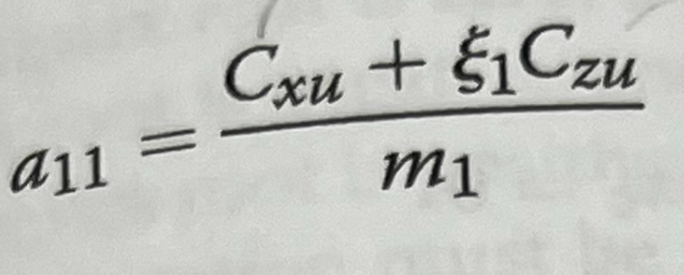
 |  |  |  |  |  |  |  |  |  |  |  |  |  |  |  |  |  |  | rho | 0.000891 | slug/ft^3
 |  |  |  |  |  |  | Cdu=0 |  |  |  |  |  |  |  |  | Czu | 409 |  | S | 457 | ft^2 | Cz_alpha. | 0
 |  |  |  |  |  |  |  |  |  |  |  |  |  |  |  |  |  |  | Cbar | 10.155 | ft
 |  |  |  |  |  |  | Clu=0 |  |  |  |  |  |  |  |  | Cztheta | 409 |  | Theta dot | 0 | rad | Cz_theta | 0
 |  |  |  |  |  |  |  |  |  |  |  |  |  |  |  |  |  |  | CL_alpha | 4.5 | per rad
 |  |  |  |  |  |  |  |  |  |  |  |  |  |  |  | Clu | 419 |  | q | 237.40695 | lb/ft^2 | Cx_theta | -0.389
 |  |  |  |  |  |  |  |  |  |  |  |  |  |  |  |  |  |  | weight | 52115 | lbf
 |  |  |  |  |  |  | Zeta1=0 |  |  |  |  |  |  |  |  | Cxalpha | 404 |  | mass | 1618.4782609 | lb | Cx_alpha | 0.091415


 |  |  |  |  |  |  |  |  |  |  |  |  |  |  |  | CDalpha | 418 |  |  |  |  | iy1 | 0

 |  |  |  |  |  |  |  |  |  |  |  |  |  |  |  | Czalpha | 409 |  |  |  |  | zeta1 | 0

 |  |  |  |  |  |  |  |  |  |  |  |  |  |  |  | Cxtheta | 408 |  |  |  |  | zeta2

 |  |  |  |  |  |  |  | pg 421 |  |  |  |  |  |  |  | Czalphadot | 410 |  |  |  |  | Cm_alpha. | -4

 |  |  |  |  |  |  |  |  |  |  |  |  |  |  |  | Cmalpha | 404 |  |  |  |  | Cl_q | 3.8 | 1/rad

 |  |  |  |  |  |  |  |  |  |  |  |  |  |  |  | Cxq | 410 |  |  |  |  | m1 | 10.889804969

 |  |  |  |  |  |  |  |  |  |  |  |  |  |  |  | zeta1 | 587 |  |  |  |  | Cl_alpha. | 0
 |  |  |  | Cz
 |  |  |  |  |  |  |  |  |  |  |  |  |  |  |  | zeta2 | 587 |  |  |  |  | iy

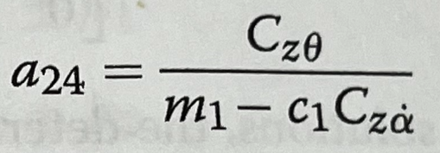
 |  |  |  |  |  |  |  |  |  |  |  | Cztheta=0 |  | theta0: pg. 407 |  | Cdu | 419 |  |  |  |  | Cd_q | 0
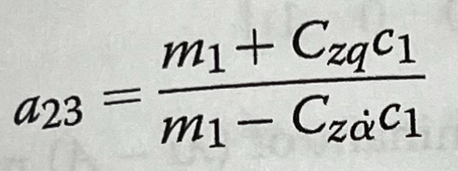
 |  |  |  |  |  |  |  |  |  |  |  |  |  |  |  | cmq | 460 |  |  |  |  | Cd_alpha | 0.297585
 |  |  |  |  |  |  |  |  |  |  | Q
 |  |  |  |  |  |  |  |  |  |  |  |  |  |  |  | Czq | 410 |  |  |  |  | Cd_alpha. | 0

 |  |  |  |  |  |  |  |  |  |  |  |  |  |  |  | Clq | 404 |  |  |  |  | c1 | 0.0069554794521

 |  |  |  |  |  |  |  |  |  |  |  |  |  |  |  | Cmu | 419

 |  |  |  |  |  |  |  |  |  |  |  |  |  |  |  | Cmalphadot | 431
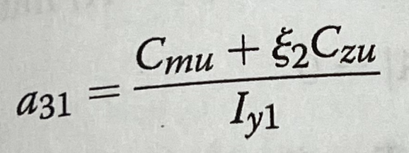
 |  |  |  |  |  |  |  |  | Clu=0
 |  |  |  |  |  |  |  |  |  |  |  |  |  |  | pg 404

 |  |  |  |  |  | Ignore Cmu is M < 0.5

 |  |  |  |  |  | Cm
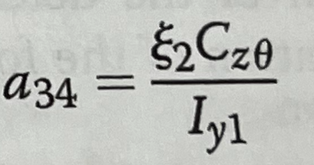

 |  |  |  |  |  |  |  |  |  |  |  |  | Cztheta=0

 |  |  |  |  |  |  |  |  |  | pg 431

Etkins Variables
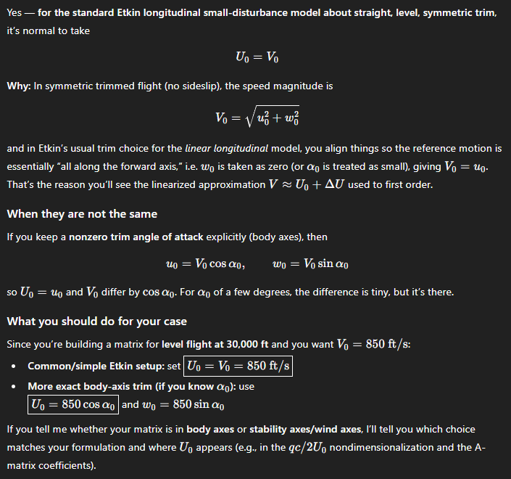
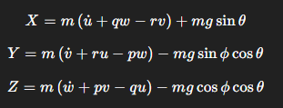
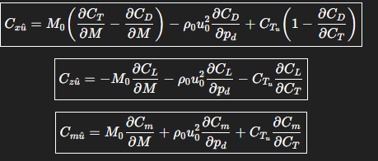
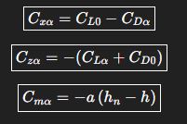
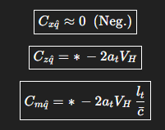
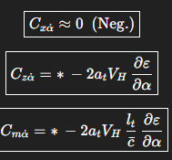
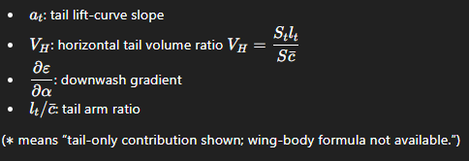
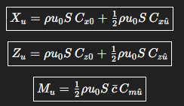
DONE | WRONG | UNSURE
 |  |  | 0 Angle of Attack and 0 Sideslip Angle
g | 32.2 | ft/s^2 | X | 0 | C_x | 0 | DONE | C_xu^ | 0 | Need
W | 50012.35702 | lbf | Y | 0 | C_y | 0 | DONE | C_zu^ | 0 | Need | X_u
m | 1553.1787894 | slugs | Z | -50012.35702 | C_z | -0.33999737414 | DONE | C_mu^ | 0 | Need | X_w
S | 457 | ft^2 | M | 0 | C_w | 0.33999737414 | DONE | C_xalpha | 0.055833375021 | Need | X_q
b | 45 | ft | L | 0 | C_m | 0 | DONE | C_zalpha | -0.102 | Need | X_wdot
Cbar | 126.3802469 | in | N | 0 | C_l | 0 | DONE | C_malpha |  | Need | Z_u
Cbar | 10.531687242 | ft | u | 850 | C_n | 0 | DONE | C_xalpha. |  | Need | Z_w
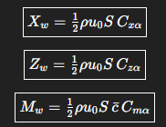
Thrust | 44,000 | lbf | v | 0 | u vector | 1 | DONE | C_zalpha. |  | Need | Z_q
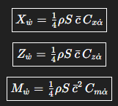
C_L | 0.389 |  | w | 0 | v vector | 0 | DONE | C_malpha. |  | Need | Z_wdot
C_DO | 0.004 |  | alphadot | 0 | w vector | 0 | DONE | C_xq^ | 0 | Need | M_u
K | 0.085 |  | q | 0 | alpha vec | 0 | DONE | C_zq^ |  | Need | M_w
C_D | 0.016862285 |  | betadot | 0 | q vector | 0 | DONE | C_mq^ |  | Need | M_q
D | 2480.3797963 | lbf | p | 0 | beta vec | 0 | DONE |  |  |  | M_wdot
L | 57220.462159 |  | r | 0 | p vector | 0 | DONE
U_o | 850 | ft/s | I_y | 2512921.21 | r vector | 0 | DONE
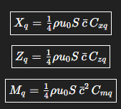
deltaU | 0 | ft/s | I_x | 2727123.7 | m vector | 724.36855498 | DONE
a | 993 | ft/s | I_z | 1946111.1 | I_y vector | 26.123037489 | DONE
M | 0.85599194361 |  | I_zx |  | I_x vector | 0.098531419976 | DONE
ro | 0.000891 | slug/ft^3 |  |  | I_z vector | 0.0097022185972 | DONE
V_o | 850 | ft/s |  |  | I_zx vecto |  | Need
Theta_o | 0 | rad

St
lt
CLalpha | 0.098
Cdalpha | 0.33316662498

